Messaging
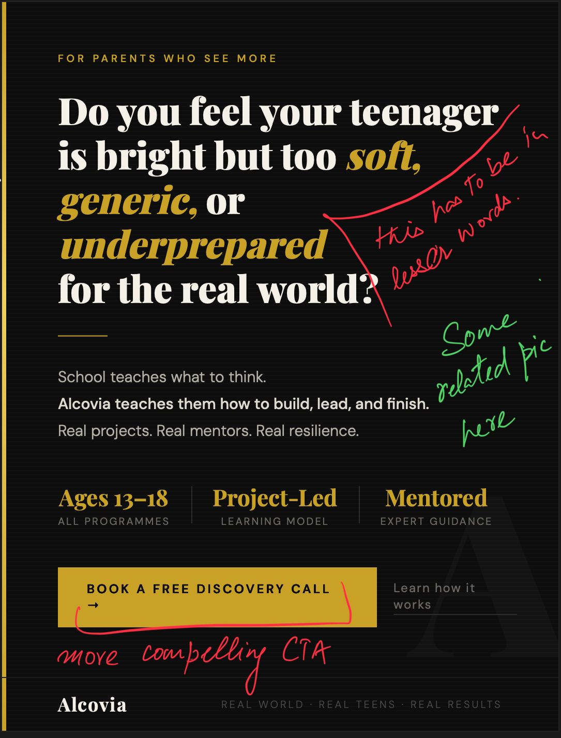
 |  |  |  |  |  |  |  | LANDING PAGE | UTM FOR EACH TONALITY | AD CREATIVE | Landing page content link
Messaging | Tone | FINAL HEADLINE | FINAL Sub Headline | Button CTA | Alternate | IG Button type | CTA
Do you feel your teenager is bright but too soft, generic, or underprepared for the real world? | Fear based | Is your teenager too "soft" for the real world? | Good grades won't save them when real-world friction hits. | See how other parents are fixing this → |  | Learn more | See how we bring the real world understanding to alcovians | https://alcovia.life/lp | ad_id=alc_fear_240326&utm_source=meta&utm_medium=paid&utm_campaign=lp_leadgen_mar26&utm_content=fear_based |  | https://docs.google.com/document/d/12Yl1EO7Te9kSO2ZYUkikfl_qxKduzGyx/edit?usp=sharing&ouid=104109162214056353053&rtpof=true&sd=true
 | Aspirational | Raise a teen who finishes what they start. | We turn ideas teenagers talk about into projects they actually build. | Show me how this works → | See what Alcovians are building → | Learn More | See How alcovians are built | https://alcovia.life/lp | ad_id=alc_asp_240326&utm_source=meta&utm_medium=paid&utm_campaign=lp_leadgen_mar26&utm_content=aspirational
 | Authority | Bright teenagers are not automatically real-world ready. | What distinguishes exceptional teenagers is not intelligence but how early they build real world readiness | Limited seats — check eligibility → |  | Sign Up | Checkout what the parents of exceptional teens are doing differently | https://alcovia.life/lp | ad_id=alc_auth_240326&utm_source=meta&utm_medium=paid&utm_campaign=lp_leadgen_mar26&utm_content=authority
 | Myth Busting | Being "book smart" isn't enough anymore. | "Book smart" means nothing if they quit when things get hard. Build actual resilience through real-world projects. | See what real-world readiness looks like → |  |  | Most Parents Find Out Too Late | https://alcovia.life/lp | ad_id=alc_myth_240326&utm_source=meta&utm_medium=paid&utm_campaign=lp_leadgen_mar26&utm_content=myth_busting
 | Comparison | Book-Smart vs. Real-World Ready. | Average students memorize and quit. Alcovians build actual grit by finishing the projects they talk about. | See what alcovians do differently → |  |  | See what sets Alcovians Apart | https://alcovia.life/lp | ad_id=alc_comp_240326&utm_source=meta&utm_medium=paid&utm_campaign=lp_leadgen_mar26&utm_content=comparison
Traditional career counselling is dead? Are you still thinking of the old way of “cracking” top universities? | Fear based | Why is your teen going through "elite" career counselling for a career that wouldnt exist in 5 years? | Old-school career & college counselling can't keep up with a world changing everyday. | Is your teen's career plan already outdated? → |  |  |  |  |  |  | https://docs.google.com/document/d/1TvcBuxlkCjNyEbEvv2H3859XGwmoSs8K/edit?usp=sharing&ouid=104109162214056353053&rtpof=true&sd=true
 | Aspirational | True career clarity starts here. | Give them the ultimate gift: total clarity. Let them shadow real professionals to build a future they believe in. | Give your teen real clarity — here's how →
 | Authority | Preparing for top universities is not equal to (icon) preparing for the future. | At alcovia, your teenager will explore real work with real professionals. | Meet the professionals your teen will work with →
 | Myth Busting | Marks measure memory. The real world measures initiatives. | Why plan for 2035 using outdated advice? Swap the anxiety-inducing college prep for real-world industry exposure. | What does 2035-ready prep actually look like? →
 | Comparison | Stop Preparing Teens For Yesterday’s Careers. | Old-school prep breeds imposter syndrome. Alcovia builds unshakeable clarity through direct access to actual professionals. | Old prep vs. alcovia — see the difference →
Time is your teenagers biggest asset, but is it being utilised in the best way? | Fear based | What if your teenager is working hard but in all the wrong directions? | Fake "study calls" and endless tuitions are destroying their focus. | Where is your teen's time actually going? → |  |  |  |  |  |  | https://docs.google.com/document/d/1iPavh3LRliOXdv-BQzNwTs5g49ZeV-3I/edit?usp=sharing&ouid=104109162214056353053&rtpof=true&sd=true
 | Aspirational | Time Is Your Teenager’s Biggest Asset. The Right Environment Can Multiply It. | Imagine your teen managing their time like a CXO. We teach executive-level strategies to unlock potential without burnout. | High performance without burnout — here's how →
 | Authority | CXO-level time management—for teenagers | We don't just say "study harder." We train teens using the exact productivity frameworks taught to top business owners | Understand the exact frameworks we use →
 | Myth Busting | "Busy" doesn't mean productive. | Juggling 4 hobbies isn't productive—it's burnout. Stop the busywork and learn intentional time management from experts | Busy vs. productive — which one is your teen? →
 | Comparison | Average teens waste hours scrolling | Alcovians master their schedules using CXO-level time management systems. | Scrolling vs. mastering — pick a side →
Your teenager is a sum of the next 5 friends they hang out with | Fear based | Your teenager’s peer group may be deciding more than you are. | An average peer group will create an average teenager- your child deserves more. | Upgrade their circle — see how → |  |  |  |  |  |  | https://docs.google.com/document/d/1bKUQlukaamxTCbW1q8LKEc-ed1rM44px/edit?usp=sharing&ouid=104109162214056353053&rtpof=true&sd=true
 | Aspirational | Ambitious Teens Need Ambitious Friends. | How about those were the top 1% of Gurgaon. | See who your teen could be surrounded by →
 | Authority | Welcome to the 1% Club for teens. | National robotics winner, India's top gymnasts, golfers, equestrians are already onboard. | See who's already in the community →
 | Myth Busting | Myth: School success is a reliable sign of future success. | It usually does not. Exceptional teenagers are shaped by stronger environments, sharper peers & real-world exposure. | What actually predicts teen success? →
 | Comparison | Average teen V/s alcovian | While others gossip online, alcovians are launching startups, leading social projects, and networking with experts. | Your teen could be in this room — find out how →
The 1% club for teenagers | Fear based | Potential alone does not put a teenager in the top 1%. | Global competition is ruthless. If your teen isn't building an unfair advantage today, they'll be left behind tomorrow. | Don't let potential go to waste — see how → |  |  |  |  |  |  | https://docs.google.com/document/d/1WNOtQ_jUIg51wIIHU4Y0kAGer5hJXjnv/edit?usp=sharing&ouid=104109162214056353053&rtpof=true&sd=true
 | Aspirational | You Built A Top 1% Life. Now Build it for your Teenager. | Give them the ultimate unfair advantage. Join an elite cohort of driven teens building real companies today. | Give your teen the same edge you had →
 | Authority
 | Myth Busting | Myth: Cracking a top university means your teenager is set. | Get your teen into the rooms where real startups and leaders are made. | Where are real leaders actually built? →
 | Comparison | The 99% wait. The 1% build. | The 99% teens wait for graduation while the 1% are already building companies and learning from McKinsey mentors at age 14. | See what 14-year-olds are building with McKinsey mentors →

Form
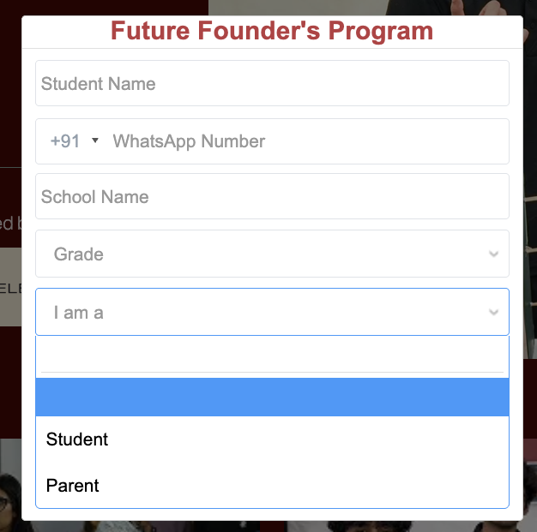
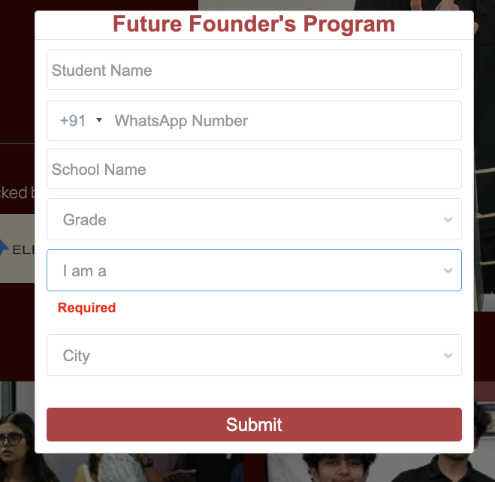
Student name | Required
WhatsApp Number | Required
Grade | Required
School name | Required
I am a (parent/ student) | Required
Email | Optional

